Stresses on Pin of joint
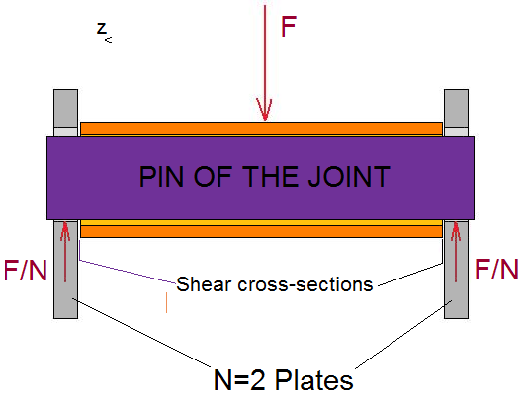
Units conversion
from | Force | 1 | [lbf]
to | Force | 4.4482216 | [N]
from | Length | 1 | [in]
to | Length | 25.4 | [mm]
from | Stress/Pressure | 1 | [lbf/(in^2)]
to | Stress/Pressure | 0.00689475728 | [N/(mm^2)]

Enter inputs in S.I.
 | F | 1 | [N]
 | Or else enter:
 | Fx | 1 | [N]
 | Fy | 1 | [N]
 | // F = ( Fx^2 + Fy^2 )^0.5
 | F | 1.4142135624 | [N]

 | N | 2
 | d | 3 | [mm]
 | safety_factor | 3 | [unitless]
 | ultimate_tensile strength | 300 | [N/(mm^2)]

Select input that is used in calculations!
 | F = | 10 | [N]

Calculations
 | // F2 = F/N
 | F2 | 5 | [N]
 | // A = pi * (d/2)^2
 | A | 7.0685834706 | [mm^2]
 | // tau_shear = (4/3)*F2/A
 | tau_shear | 0.94314040351 | [N/(mm^2)]
 | // sigma_total = 2*tau_shear
 | sigma_total | 1.886280807 | [N/(mm^2)]

Check
 | safety_factor*sigma_total (must be less than) ultimate_tensile_strength
is | 5.658842421 | < | 300 | ?
Units conversion
from | Force | 1 | [N]
to | Force | 0.22480894387 | [lbf]
from | Length | 1 | [mm]
to | Length | 0.03937007874 | [in]
from | Stress/Pressure | 1 | [N/(mm^2)]
to | Stress/Pressure | 145.03773801 | [lbf/(in^2)]

Forces on Base of hyd. cylinder
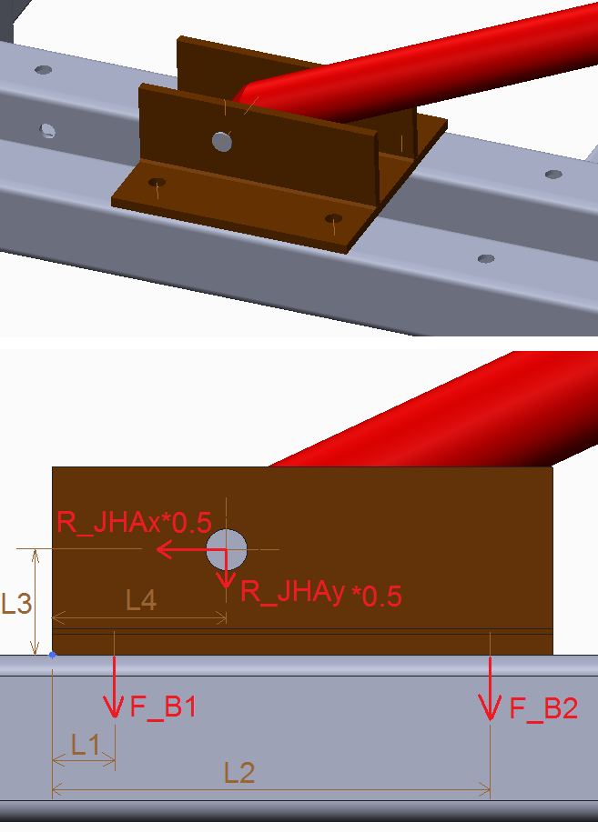
Units conversion
from | Force | 1 | [lbf]
to | Force | 4.4482216 | [N]
from | Length | 1 | [in]
to | Length | 25.4 | [mm]
from | Angle | 1 | [deg]
to | Angle | 0.01745329252 | [rad]

Enter inputs in S.I.
 | Fx | 1 | [N]
 | Fy | 1 | [N]
 | Or else enter:
 | F | 1 | [N]
 | Theta | 0 | [rad]
 |  | // Fx = F*cos(theta)
 | Fx | 1 | [N]
 |  | // Fy = F*sin(theta)
 | Fy | 0 | [N]

 | L1 | 1 | [mm]
 | L2 | 1 | [mm]
 | L3 | 1 | [mm]
 | L4 | 1 | [mm]
 | N | 2 | [unitless]

Select inputs that are used in calculations!
 | Fx= | 1 | [N]
 | Fy= | 1 | [N]

Calculations
 | // F_B2/N = ( ( FX*L3 -Fy*L4 )/(L2 + L1^2/L2 ) )/N
 | F_B2/N | 0 | [N]
 | // F_B1/N = (F_B2/N) * (L1/L2)
 | F_B1/N | 0 | [N]
 | // Fx/(2*N) = Fx/(2*N)
 | Fx/(2*N) | 0.25 | [N]

Units conversion
from | Force | 1 | [N]
to | Force | 0.22480894387 | [lbf]
from | Length | 1 | [mm]
to | Length | 0.03937007874 | [in]

Forces on Base of hyd. cyli (2)
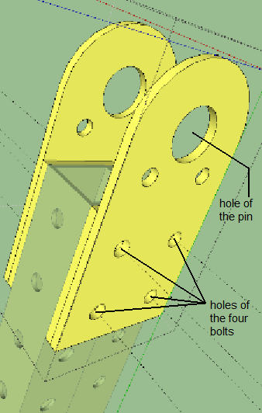
Units conversion
from | Force | 1 | [lbf]
to | Force | 4.4482216 | [N]
from | Length | 1 | [in]
to | Length | 25.4 | [mm]
from | Angle | 1 | [deg]
to | Angle | 0.01745329252 | [rad]

Enter inputs in S.I.
 | Fx | 1 | [N]
 | Fy | 1 | [N]
 | Or else enter:
 | F | 1 | [N]
 | Theta | 0.3 | [rad]
 |  | // Fx = F*cos(theta)
 | Fx | 0.95533648913 | [N]
 |  | // Fy = F*sin(theta)
 | Fy | 0.29552020666 | [N]

 | L1 | 1 | [mm]
 | L2 | 1 | [mm]
 | L3 | 1 | [mm]
 | N | 2 | [unitless]

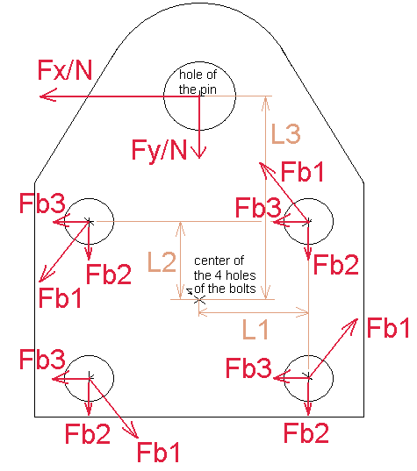
Select inputs that are used in calculations!
 | Fx= | 1 | [N]
 | Fy= | 1 | [N]

Calculations
 | // L = ( L1^2 + L2^2 )^0.5
 | L | 1.4142135624 | [mm]
 | // Fb1 = abs( (Fx/N)*L3/(4*L) )
 | Fb1 | 0.088388347648 | [N]
 | // Fb2 = abs( (Fy/N)/4 )
 | Fb2 | 0.125 | [N]
 | // Fb3 = abs( (Fx/N)/4 )
 | Fb3 | 0.125 | [N]
 | // Fb_total =( (Fb3+Fb1*(L2/L))^2 + (Fb2+Fb1*(L1/L))^2 )^0.5
 | Fb_total | 0.26516504294 | [N]

Units conversion
from | Force | 1 | [N]
to | Force | 0.22480894387 | [lbf]
from | Length | 1 | [mm]
to | Length | 0.03937007874 | [in]

